Protocol
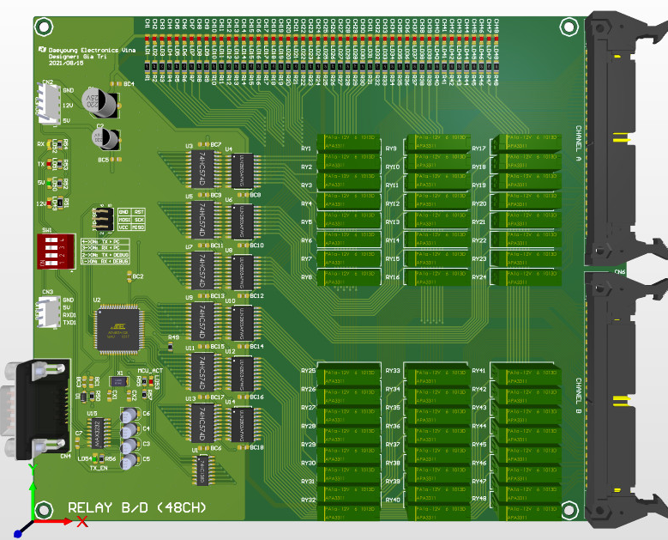
Array B
Array A
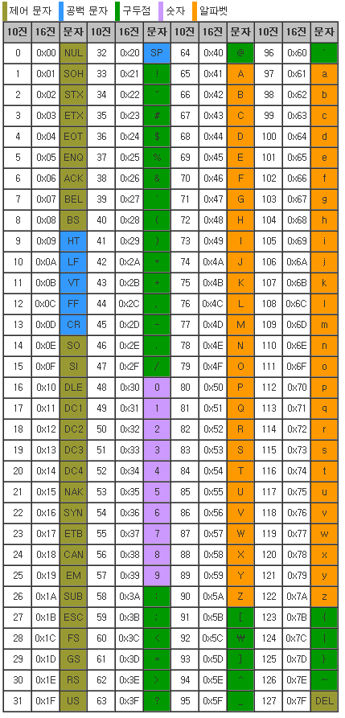
 |  |  |  |  | 9600 | None | 8 | 1
Relay 48Ch
PC → RLY | ASCII Code
 | Daeyoung | Electronics |  | Relay |  |  |  |  |  |  |  | Vina
 | D | E |  | R |  |  |  |  |  |  | XOR | V
 | Header1 | Header2 | Size | Command | DATA |  |  |  |  |  | CheckSum | Etx
 | 0x44 | 0x45 | 0x08 | 0x52 | Data1 | Data2 | Data3 | Data4 | Data5 | Data6 | CS | 0x56
 | Array B |  |  |  |  |  | Array A
 | DATA1 | Chanel | DATA2 | Chanel | DATA3 | Chanel | DATA4 | Chanel | DATA5 | Chanel | DATA6 | Chanel
 | Bit0 | R41 (R17) | Bit0 | R33 (R9) | Bit0 | R25 (R1) | Bit0 | R17 | Bit0 | R9 | Bit0 | R1
 | Bit1 | R42 (R18) | Bit1 | R34 (R10) | Bit1 | R26 (R2) | Bit1 | R18 | Bit1 | R10 | Bit1 | R2
 | Bit2 | R43 (R19) | Bit2 | R35 (R11) | Bit2 | R27 (R3) | Bit2 | R19 | Bit2 | R11 | Bit2 | R3
 | Bit3 | R44 (R20) | Bit3 | R36 (R12) | Bit3 | R28 (R4) | Bit3 | R20 | Bit3 | R12 | Bit3 | R4
 | Bit4 | R45 (R21) | Bit4 | R37 (R13) | Bit4 | R29 (R5) | Bit4 | R21 | Bit4 | R13 | Bit4 | R5
 | Bit5 | R46 (R22) | Bit5 | R38 (R14) | Bit5 | R30 (R6) | Bit5 | R22 | Bit5 | R14 | Bit5 | R6
 | Bit6 | R47 (R23) | Bit6 | R39 (R15) | Bit6 | R31 (R7) | Bit6 | R23 | Bit6 | R15 | Bit6 | R7
 | Bit7 | R48 (R24) | Bit7 | R40 (R16) | Bit7 | R32 (R8) | Bit7 | R24 | Bit7 | R16 | Bit7 | R8
RLY → PC | 0x44 | 0x45 | 0x52 | 0x00 | CS | 0x56

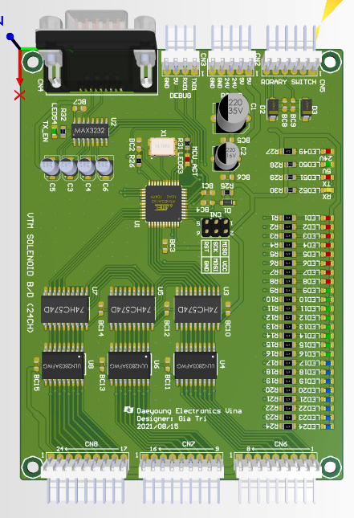
Solenoid 24Ch
PC → SOL | ASCII Code
 | Daeyoung | Electronics |  | Solenoid |  |  |  |  |  | Vina
 | D | E |  | S |  |  |  |  | XOR | V
 | Header1 | Header2 | Size | Command | DATA |  |  |  | CheckSum | Etx
 | 0x44 | 0x45 | 0x06 | 0x53 | Data1 | Data2 | Data3 | Data4 | CS | 0x56
 | Array A (B)
 | DATA1 | Chanel | DATA2 | Chanel | DATA3 | Chanel | DATA4 | Chanel
 | Bit0 | S25 | Bit0 | S17 | Bit0 | S9 | Bit0 | S1
 | Bit1 | S26 | Bit1 | S18 | Bit1 | S10 | Bit1 | S2
 | Bit2 | S27 | Bit2 | S19 | Bit2 | S11 | Bit2 | S3
 | Bit3 | S28 | Bit3 | S20 | Bit3 | S12 | Bit3 | S4
 | Bit4 | S29 | Bit4 | S21 | Bit4 | S13 | Bit4 | S5
 | Bit5 | S30 | Bit5 | S22 | Bit5 | S14 | Bit5 | S6
 | Bit6 | S31 | Bit6 | S23 | Bit6 | S15 | Bit6 | S7
 | Bit7 | S32 | Bit7 | S24 | Bit7 | S16 | Bit7 | S8
SOL → PC | 0x44 | 0x45 | 0x53 | 0x00 | CS | 0x56

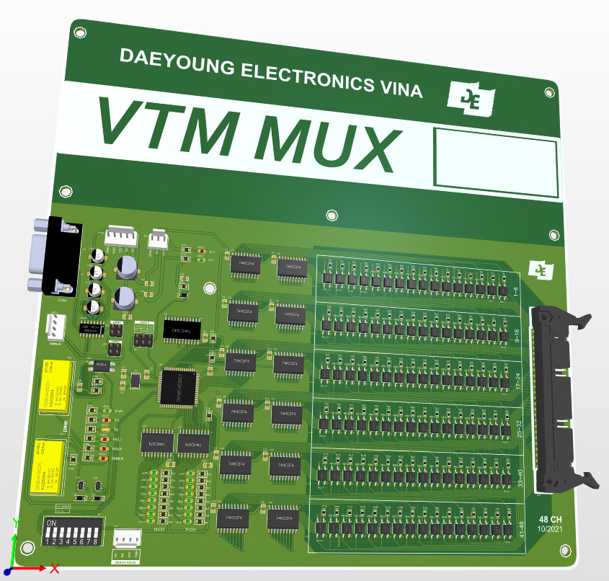
ID_1
Mux 48Ch ID1
PC → MUX | ASCII Code
 | Daeyoung | Electronics |  | Mux |  |  |  |  |  |  |  | Vina
 | D | E |  | M |  |  |  |  |  |  | XOR | V
 | Header1 | Header2 | Size | Command | DATA |  |  |  |  |  | CheckSum | Etx
 | 0x44 | 0x45 | 0x08 | 0x4D | Data1 | Data2 | Data3 | Data4 | Data5 | Data6 | CS | 0x56
 | Array A
 | DATA1 | Chanel | DATA2 | Chanel | DATA3 | Chanel | DATA4 | Chanel | DATA5 | Chanel | DATA6 | Chanel
 | Bit0 | M41 | Bit0 | M33 | Bit0 | M25 | Bit0 | M17 | Bit0 | M9 | Bit0 | M1
 | Bit1 | M42 | Bit1 | M34 | Bit1 | M26 | Bit1 | M18 | Bit1 | M10 | Bit1 | M2
 | Bit2 | M43 | Bit2 | M35 | Bit2 | M27 | Bit2 | M19 | Bit2 | M11 | Bit2 | M3
 | Bit3 | M44 | Bit3 | M36 | Bit3 | M28 | Bit3 | M20 | Bit3 | M12 | Bit3 | M4
 | Bit4 | M45 | Bit4 | M37 | Bit4 | M29 | Bit4 | M21 | Bit4 | M13 | Bit4 | M5
 | Bit5 | M46 | Bit5 | M38 | Bit5 | M30 | Bit5 | M22 | Bit5 | M14 | Bit5 | M6
 | Bit6 | M47 | Bit6 | M39 | Bit6 | M31 | Bit6 | M23 | Bit6 | M15 | Bit6 | M7
 | Bit7 | M48 | Bit7 | M40 | Bit7 | M32 | Bit7 | M24 | Bit7 | M16 | Bit7 | M8
MUX → PC | 0x44 | 0x45 | 0x4D | 0x00 | CS | 0x56

ID_2
Mux 48Ch ID2
PC → MUX | ASCII Code
 | Daeyoung | Electronics |  | MUX |  |  |  |  |  |  |  | Vina
 | D | E |  | m |  |  |  |  |  |  | XOR | V
 | Header1 | Header2 | Size | Command | DATA |  |  |  |  |  | CheckSum | Etx
 | 0x44 | 0x45 | 0x08 | 0x6D | Data1 | Data2 | Data3 | Data4 | Data5 | Data6 | CS | 0x56
 | Array B
 | DATA1 | Chanel | DATA2 | Chanel | DATA3 | Chanel | DATA4 | Chanel | DATA5 | Chanel | DATA6 | Chanel
 | Bit0 | m41 | Bit0 | m33 | Bit0 | m25 | Bit0 | m17 | Bit0 | m9 | Bit0 | m1
 | Bit1 | m42 | Bit1 | m34 | Bit1 | m26 | Bit1 | m18 | Bit1 | m10 | Bit1 | m2
 | Bit2 | m43 | Bit2 | m35 | Bit2 | m27 | Bit2 | m19 | Bit2 | m11 | Bit2 | m3
 | Bit3 | m44 | Bit3 | m36 | Bit3 | m28 | Bit3 | m20 | Bit3 | m12 | Bit3 | m4
 | Bit4 | m45 | Bit4 | m37 | Bit4 | m29 | Bit4 | m21 | Bit4 | m13 | Bit4 | m5
 | Bit5 | m46 | Bit5 | m38 | Bit5 | m30 | Bit5 | m22 | Bit5 | m14 | Bit5 | m6
 | Bit6 | m47 | Bit6 | m39 | Bit6 | m31 | Bit6 | m23 | Bit6 | m15 | Bit6 | m7
 | Bit7 | m48 | Bit7 | m40 | Bit7 | m32 | Bit7 | m24 | Bit7 | m16 | Bit7 | m8
MUX → PC | 0x44 | 0x45 | 0x6D | 0x00 | CS | 0x56

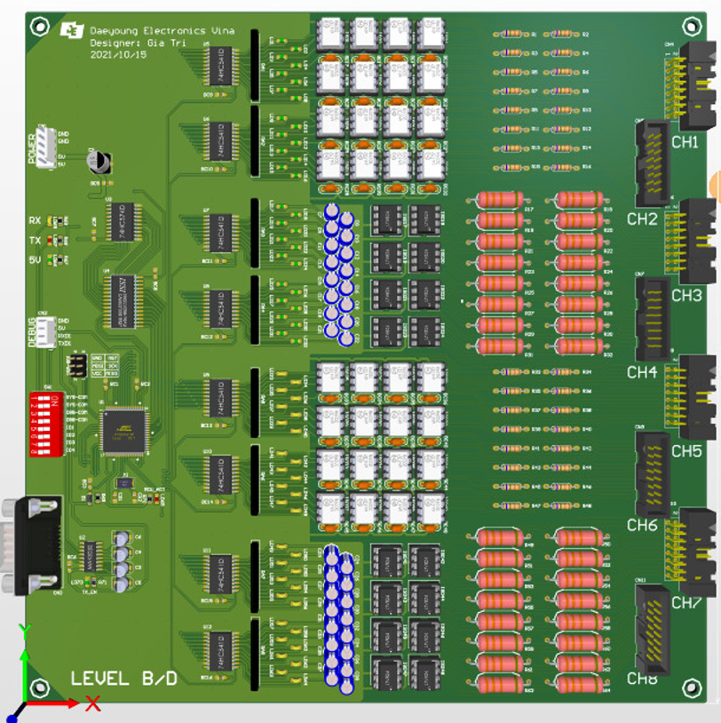
Array B
Array A
LEVEL 32Ch
PC → LEV | 0x44 | 0x45 | 0x4C | 0x00 | CS | 0x56
LEV → PC | ASCII Code
 | Daeyoung | Electronics |  | LEV |  |  |  |  |  |  |  |  |  |  |  | Vina
 | D | E |  | L |  |  |  |  |  |  |  |  | XOR |  |  | V
 | Header1 | Header2 | Size | Command | DATA |  |  |  |  |  |  |  | CheckSum |  |  | Etx
 | 0x44 | 0x45 | 0x0A | 0x4C | Data1 | Data2 | Data3 | Data4 | Data5 | Data6 | Data7 | Data8 | CS |  |  | 0x56
 | Array B |  |  |  |  |  |  |  | Array A
 | DATA1 | Chanel | DATA2 | Chanel | DATA3 | Chanel | DATA4 | Chanel | DATA5 | Chanel | DATA6 | Chanel | DATA7 | Chanel | DATA8 | Chanel
 | Bit0 | L25 | Bit0 | L17 | Bit0 | L9 | Bit0 | L1 | Bit0 | L25 | Bit0 | L17 | Bit0 | L9 | Bit0 | L1
 | Bit1 | L26 | Bit1 | L18 | Bit1 | L10 | Bit1 | L2 | Bit1 | L26 | Bit1 | L18 | Bit1 | L10 | Bit1 | L2
 | Bit2 | L27 | Bit2 | L19 | Bit2 | L11 | Bit2 | L3 | Bit2 | L27 | Bit2 | L19 | Bit2 | L11 | Bit2 | L3
 | Bit3 | L28 | Bit3 | L20 | Bit3 | L12 | Bit3 | L4 | Bit3 | L28 | Bit3 | L20 | Bit3 | L12 | Bit3 | L4
 | Bit4 | L29 | Bit4 | L21 | Bit4 | L13 | Bit4 | L5 | Bit4 | L29 | Bit4 | L21 | Bit4 | L13 | Bit4 | L5
 | Bit5 | L30 | Bit5 | L22 | Bit5 | L14 | Bit5 | L6 | Bit5 | L30 | Bit5 | L22 | Bit5 | L14 | Bit5 | L6
 | Bit6 | L31 | Bit6 | L23 | Bit6 | L15 | Bit6 | L7 | Bit6 | L31 | Bit6 | L23 | Bit6 | L15 | Bit6 | L7
 | Bit7 | L32 | Bit7 | L24 | Bit7 | L16 | Bit7 | L8 | Bit7 | L32 | Bit7 | L24 | Bit7 | L16 | Bit7 | L8
 | Bit0 -> Low Level
 | Bit1 -> High Level

SYS OUTPUT
PC → SYS | ASCII Code
 | Daeyoung | Electronics |  | OUT |  |  |  |  |  | Vina
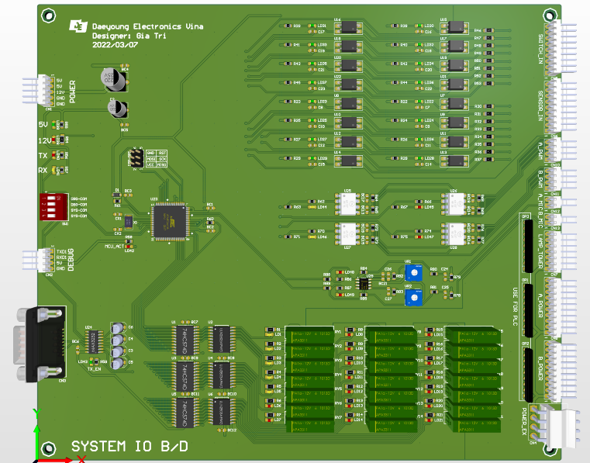
 | D | E |  | O |  |  |  |  | XOR | V
 | Header1 | Header2 | Size | Command | DATA |  |  |  | CheckSum | Etx
 | 0x44 | 0x45 | 0x06 | 0x4F | Data1 | Data2 | Data3 | Data4 | CS | 0x56

 | DATA1 | Chanel | DATA2 | Chanel | DATA3 | Chanel | DATA4 | Chanel
 | Bit0 | AC11 | Bit0 | BC11 | Bit0 | LPR | Bit0 | SUP | Solenoid Up
 | Bit1 | AC0 | Bit1 | BC0 | Bit1 | LPY | Bit1 | SDN | Solenoid Dn
 | Bit2 | AC22 | Bit2 | BC22 | Bit2 | LPG | Bit2 | SCUF/B | Solenoid Card Up Forward/Backward
 | Bit3 | ADSC1 | Bit3 | BDSC1 | Bit3 | BZ | Bit3 | SCDF/B | Solenoid Card Dn Forward/Backward
 | Bit4 | ADSC2 | Bit4 | BDSC2 | Bit4 | X | Bit4 | SLUF/B | Solenoid Lock Up Forward/Backward
 | Bit5 | ASP1 | Bit5 | BSP1 | Bit5 | X | Bit5 | SLDF/B | Solenoid Lock Dn Forward/Backward
 | Bit6 | ASP2 | Bit6 | BSP2 | Bit6 | X | Bit6 | SP1 | X
 | Bit7 | ASP3 | Bit7 | BSP3 | Bit7 | X | Bit7 | SP2 | X
SYS → PC | 0x44 | 0x45 | 0x4F | 0x00 | CS | 0x56

SYS INPUT
PC → SYS | 0x44 | 0x45 | 0x49 | 0x00 | CS | 0x56
SYS → PC | ASCII Code
 | Daeyoung | Electronics |  | IN |  |  |  |  |  | Vina
 | D | E |  | I |  |  |  |  | XOR | V
 | Header1 | Header2 | Size | Command | DATA |  |  |  | CheckSum | Etx
 | 0x44 | 0x45 | 0x06 | 0x49 | Data1 | Data2 | Data3 | Data4 | CS | 0x56

 | DATA1 | Chanel | DATA2 | Chanel | DATA3 | Chanel | DATA4 | Chanel
 | Bit0 | SWUP | Bit0 | SUP | Bit0 | MicA | Bit0 | MicB
 | Bit1 | SWDN | Bit1 | SDN | Bit1 | MicA | Bit1 | MicB
 | Bit2 | SWBR | Bit2 | SBR | Bit2 | MicA | Bit2 | MicB
 | Bit3 | SWBF | Bit3 | SBF | Bit3 | MicA | Bit3 | MicB
 | Bit4 | SWTR | Bit4 | STR | Bit4 | MicA | Bit4 | MicB
 | Bit5 | SWTF | Bit5 | STF | Bit5 | MicA | Bit5 | MicB
 | Bit6 | SWEMG | Bit6 | SBL | Bit6 | MicA | Bit6 | MicB
 | Bit7 | SWDOOR | Bit7 | STL | Bit7 | MicA | Bit7 | MicB
 |  |  |  |  |  | 0~255 |  | 0~255
SYS GEN
GEN → PC | 0x44 | 0x45 | 0x47 | 0x00 | CS | 0x56
PC → GEN | ASCII Code
 | Daeyoung | Electronics |  | GEN |  |  |  |  |  |  |  | Vina
 | D | E |  | G |  |  |  |  |  |  | XOR | V
 | Header1 | Header2 | Size | Command | DATA |  |  |  |  |  | CheckSum | Etx
 | 0x44 | 0x45 | 0x14 | 0x47 | Data1 | Data2 | Data… | Data… | Data11 | Data12 | CS | 0x56

 | DATA1 ~ DATA3 : A1 GEN (Hex)
 | DATA4 ~ DATA6 : A2 GEN (Hex)
 | DATA7 ~ DATA9 : B1 GEN (Hex)
 | DATA10 ~ DATA12 : B2 GEN (Hex)
 | Ex1) 1,000Hz -> 0x00 03 E8
 | Ex2) 100,000Hz -> 0x01 86 A0
 | Ex3) 1,000,000Hz -> 0x0F 42 40

MOTOR RPM/DIRECTION
PC → LEV | 0x44 | 0x45 | 0x50 | 0x00 | CS | 0x56
LEV → PC | ASCII Code
 | Daeyoung | Electronics |  | MOT |  |  |  |  |  |  |  |  |  |  |  |  |  |  |  |  |  | Vina
 | D | E |  | P |  |  |  |  |  |  |  |  |  |  |  |  |  |  |  |  | XOR | V
 | Header1 | Header2 | Size | Command | DATA |  |  |  |  |  |  |  |  |  |  |  |  |  |  |  | CheckSum | Etx
 | 0x44 | 0x45 | 0x0A | 0x50 | Data1 | Data2 | Data3 | Data4 | Data5 | Data6 | Data7 | Data8 | Data9 | Data10 | Data11 | Data12 | Data13 | Data14 | Data15 | Data16 | CS | 0x56
 |  |  |  |  | RPM A 1 |  |  |  | RPM A 2 |  |  |  | RPM B 1 |  |  |  | RPM B 2
 | Bit0 -> Low Level
 | Bit1 -> High Level

